Sheet1
Dist_to_work | Age_cat | Abs_cat | Abs_cat | Count | Total | Pj | log2 (Pj) | -Pj*log2(Pj) | H(T)
Dist_Med | Age_Young | Abs_High | Abs_high | 21 | 56 | 0.375 | -0.3 | 0.12 | 0.29
Dist_High | Age_Very_young | Abs_Med | Abs_med | 4 | 56 | 0.071 | -0.9 | 0.06
Dist_Med | Age_higher | Abs_High | Abs_low | 31 | 56 | 0.554 | -0.2 | 0.11
Dist_Med | Age_Very_young | Abs_low
Dist_low | Age_higher | Abs_low
Dist_Med | Age_Young | Abs_High | Categories | Abs_high |  |  |  | Abs_med |  |  |  | Abs_low |  |  |  | Row Total | Percent | Percent*Row Total
Dist_Med | Age_Very_young | Abs_low |  | Count | Total | Pj | -Pj*log2(Pj) | Count | Total | Pj | -Pj*log2(Pj) | Count | Total | Pj | -Pj*log2(Pj)
Dist_Med | Age_Young | Abs_High | Dist_to_work= Dist_Low | 4 | 13 | 0.308 | 0.523 | 0 | 13 | 0.000 | 0.000 | 9 | 13 | 0.692 | 0.367 | 0.890 | 0.232 | 0.207
Dist_low | Age_Young | Abs_High | Dist_to_work= Dist_med | 13 | 26 | 0.500 | 0.500 | 2 | 26 | 0.077 | 0.285 | 11 | 26 | 0.423 | 0.525 | 1.310 | 0.464 | 0.608
Dist_Med | Age_Very_young | Abs_High | Dist_to_work = Dist_high | 4 | 17 | 0.235 | 0.491 | 2 | 17 | 0.118 | 0.363 | 11 | 17 | 0.647 | 0.406 | 1.261 | 0.304 | 0.383
Dist_Med | Age_Young | Abs_low | Total |  |  |  |  |  |  |  |  |  |  |  |  |  | 1.000 | 1.198
Dist_Med | Age_Young | Abs_low | Net Gain | -0.903
Dist_Med | Age_Young | Abs_High
Dist_Med | Age_Very_young | Abs_low
Dist_Med | Age_higher | Abs_High
Dist_High | Age_Middle_Age | Abs_High
Dist_Med | Age_higher | Abs_High | Categories | Abs_high |  |  |  | Abs_med |  |  |  | Abs_low |  |  |  | Row Total | Percent | Percent*Row Total
Dist_High | Age_Middle_Age | Abs_low |  | Count | Total | Pj | -Pj*log2(Pj) | Count | Total | Pj | -Pj*log2(Pj) | Count | Total | Pj | -Pj*log2(Pj)
Dist_High | Age_Very_young | Abs_High | Age_cast = Age_young | 9 | 15 | 0.600 | 0.442 | 1 | 15 | 0.067 | 0.260 | 5 | 15 | 0.333 | 0.528 | 1.231 | 0.268 | 0.330
Dist_Med | Age_Young | Abs_Med | Age_cast = Age_very_young | 6 | 13 | 0.462 | 0.515 | 2 | 13 | 0.154 | 0.415 | 5 | 13 | 0.385 | 0.530 | 1.460 | 0.232 | 0.339
Dist_Med | Age_Young | Abs_High | Age_cast = Age_Middle_Age | 1 | 15 | 0.067 | 0.260 | 1 | 15 | 0.067 | 0.260 | 13 | 15 | 0.867 | 0.179 | 0.700 | 0.268 | 0.187
Dist_Med | Age_higher | Abs_low | Age_cast = Age_higher | 5 | 13 | 0.385 | 0.530 | 0 | 13 | 0 | 0 | 8 | 13 | 0.615 | 0.431 | 0.961 | 0.232 | 0.223
Dist_High | Age_Middle_Age | Abs_low | Total |  |  |  |  |  |  |  |  |  |  |  |  |  | 1.000 | 1.079
Dist_Med | Age_Young | Abs_low | Net Gain | -0.784
Dist_Med | Age_higher | Abs_High
Dist_low | Age_Middle_Age | Abs_low
Dist_low | Age_Young | Abs_low
Dist_Med | Age_Young | Abs_High
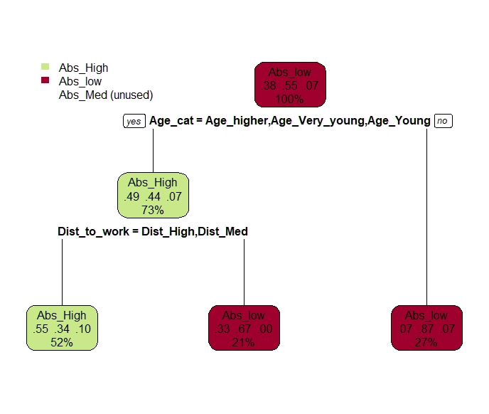
Dist_High | Age_Middle_Age | Abs_low
Dist_High | Age_Middle_Age | Abs_low
Dist_low | Age_higher | Abs_low
Dist_Med | Age_Very_young | Abs_Med
Dist_Med | Age_Very_young | Abs_low
Dist_low | Age_Young | Abs_low
Dist_low | Age_higher | Abs_low
Dist_low | Age_Young | Abs_High
Dist_High | Age_Middle_Age | Abs_Med
Dist_Med | Age_Middle_Age | Abs_low
Dist_High | Age_Very_young | Abs_High
Dist_Med | Age_Very_young | Abs_High
Dist_High | Age_Middle_Age | Abs_low
Dist_low | Age_Young | Abs_High
Dist_Med | Age_Very_young | Abs_low
Dist_Med | Age_Very_young | Abs_High
Dist_High | Age_Middle_Age | Abs_low
Dist_High | Age_Middle_Age | Abs_low
Dist_High | Age_Middle_Age | Abs_low
Dist_High | Age_Middle_Age | Abs_low
Dist_High | Age_Middle_Age | Abs_low
Dist_High | Age_Middle_Age | Abs_low
Dist_low | Age_higher | Abs_low
Dist_low | Age_higher | Abs_low
Dist_low | Age_higher | Abs_low
Dist_High | Age_Very_young | Abs_High
Dist_Med | Age_higher | Abs_low
Dist_low | Age_higher | Abs_High

